Sheet1
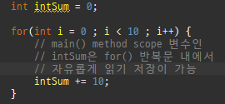
i | intSum
0 | 10
1 | 20
2 | 30
3 | 40
4 | 50
5 | 60
6 | 70
7 | 80
8 | 90
9 | 100

